Capacity by Type
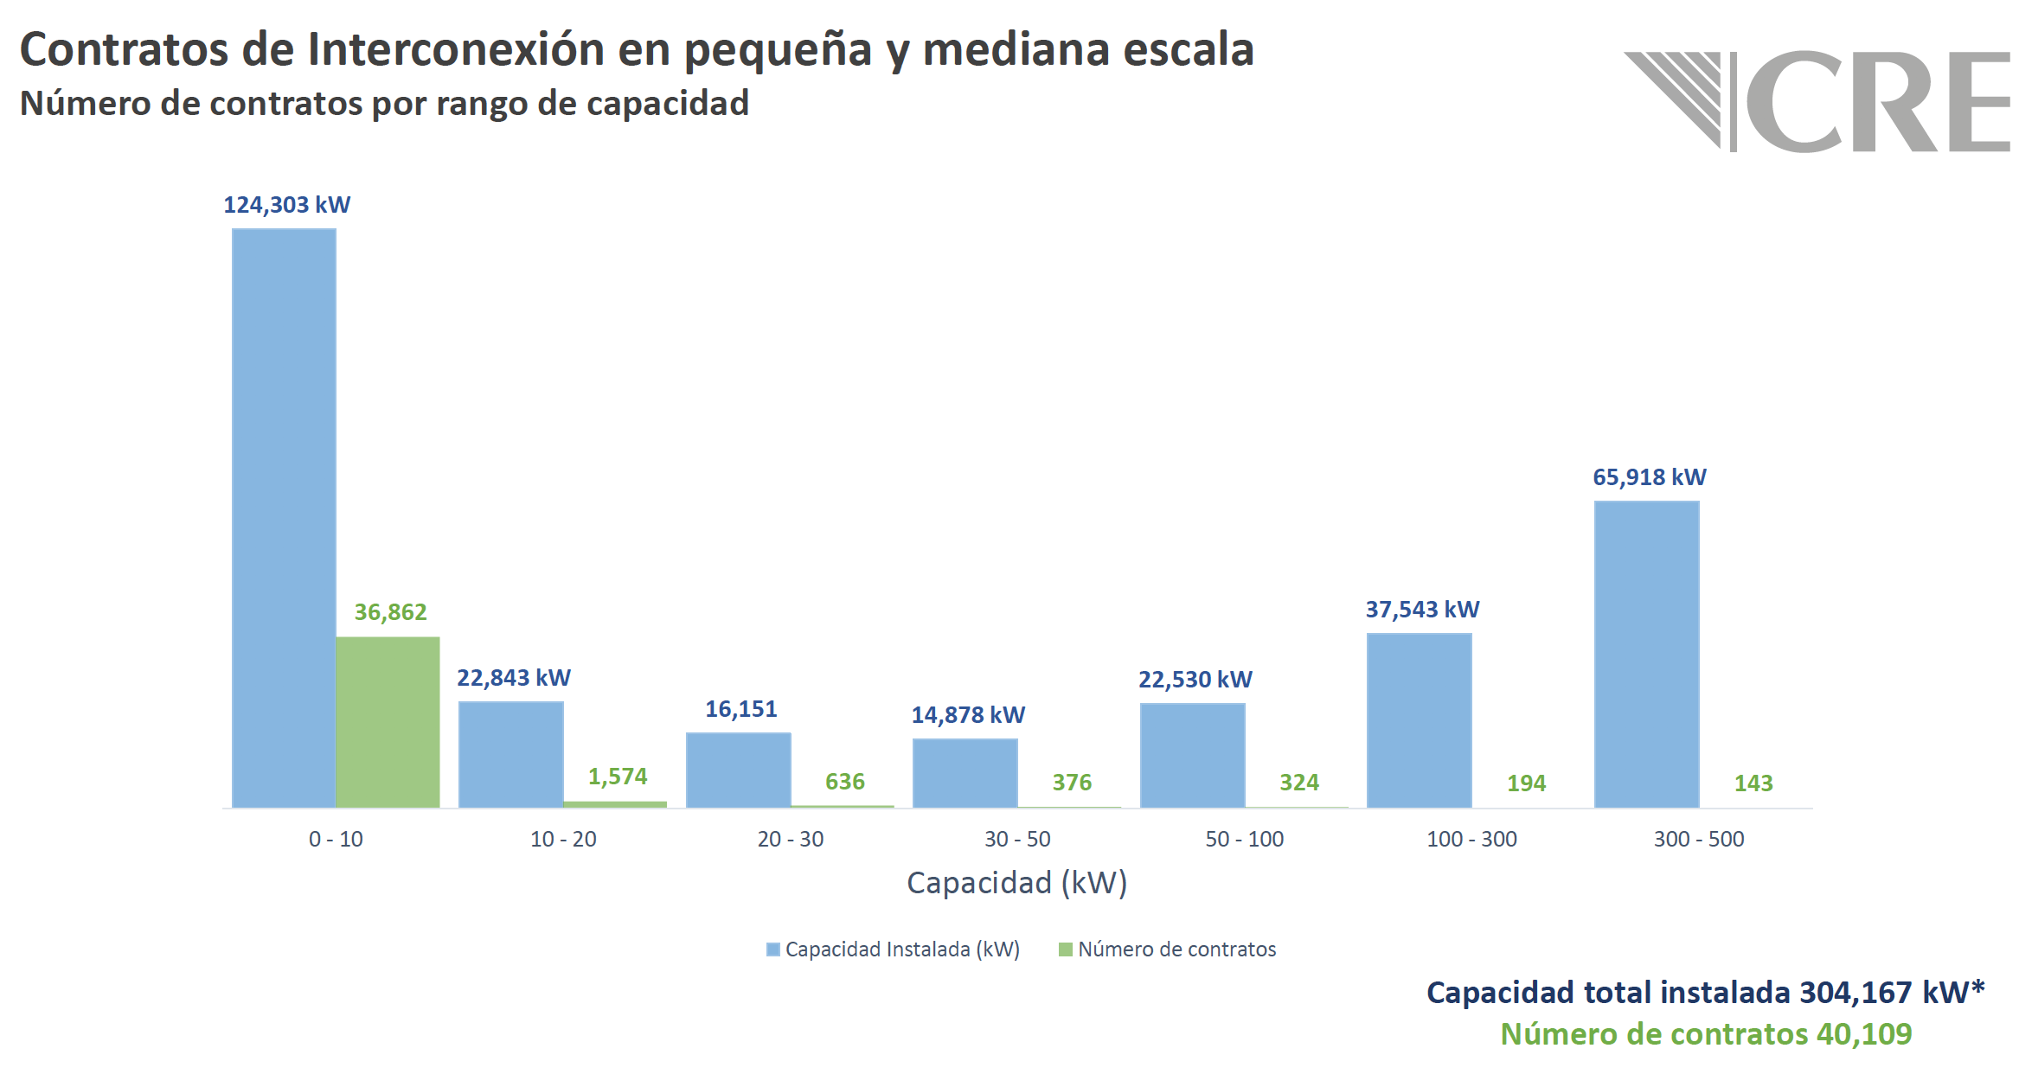

 | kW | Percentage (%)
Total installed capacity | 304,167 | 100%
Residential capacity | 124,303 | 40.87%
Commercial capacity | 179863 | 59.13%

DG Capacity Tendency
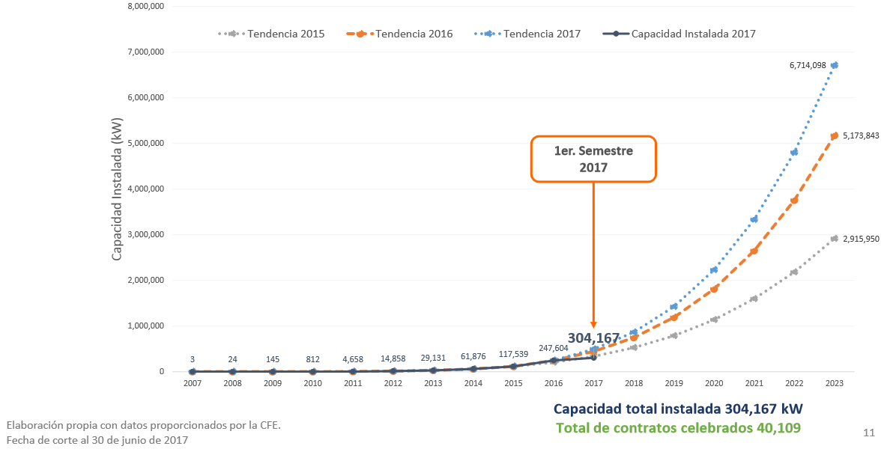

 | year | Installed capacity (reference scenario) (kW) | Policy lever scenario (kW) | Residential capacity (kW) | Commercial capacity (kW) | Urban residential capacity (kW) | Rural residential capacity (kW) | Commercial capacity (MW) | Urban residential capacity (MW) | Rural residential capacity (MW)
 | 2007 | 3 | 3 | 1.23 | 1.77 | 0.94 | 0.28 | 0.00 | 0.00 | 0.00
 | 2008 | 24 | 24 | 9.81 | 14.19 | 7.54 | 2.27 | 0.01 | 0.01 | 0.00
 | 2009 | 145 | 145 | 59.26 | 85.74 | 45.54 | 13.71 | 0.09 | 0.05 | 0.01
 | 2010 | 812 | 812 | 331.84 | 480.16 | 255.05 | 76.79 | 0.48 | 0.26 | 0.08
 | 2011 | 4658 | 4658 | 1903.57 | 2754.41 | 1463.07 | 440.50 | 2.75 | 1.46 | 0.44
 | 2012 | 14858 | 14858 | 6071.97 | 8785.98 | 4666.89 | 1405.08 | 8.79 | 4.67 | 1.41
 | 2013 | 29131 | 29131 | 11904.88 | 17226.03 | 9150.03 | 2754.85 | 17.23 | 9.15 | 2.75
 | 2014 | 61876 | 61876 | 25286.68 | 36589.12 | 19435.21 | 5851.46 | 36.59 | 19.44 | 5.85
 | 2015 | 117539 | 117539 | 48034.30 | 69504.31 | 36918.93 | 11115.38 | 69.50 | 36.92 | 11.12
 | 2016 | 247604 | 247,604 | 101187.57 | 146415.61 | 77772.27 | 23415.31 | 146.42 | 77.77 | 23.42
2017 | 2017 | 304167 | 304,167 | 124303.00 | 179863.00 | 95538.67 | 28764.33 | 179.86 | 95.54 | 28.76
2023 | 2018 | 354085 | 1,372,488.83 | 144702.90 | 209381.10 | 111217.94 | 33484.97 | 209.38 | 111.22 | 33.48
 | 2019 | 404003 | 2,440,810.67 | 165102.81 | 238899.20 | 126897.20 | 38205.61 | 238.90 | 126.90 | 38.21
 | 2020 | 453922 | 3,509,132.50 | 185502.71 | 268417.29 | 142576.47 | 42926.25 | 268.42 | 142.58 | 42.93
 | 2021 | 503840 | 4,577,454.33 | 205902.62 | 297935.39 | 158255.73 | 47646.89 | 297.94 | 158.26 | 47.65
 | 2022 | 553758 | 5,645,776.17 | 226302.52 | 327453.49 | 173935.00 | 52367.53 | 327.45 | 173.93 | 52.37
 | 2023 | 603676 | 6,714,098 | 246702.43 | 356971.59 | 189614.26 | 57088.17 | 356.97 | 189.61 | 57.09
 | 2024 | 653594 | 7,782,419.83 | 267102.33 | 386489.68 | 205293.53 | 61808.80 | 386.49 | 205.29 | 61.81
 | 2025 | 703512 | 8,850,741.67 | 287502.24 | 416007.78 | 220972.80 | 66529.44 | 416.01 | 220.97 | 66.53
 | 2026 | 753430 | 9,919,063.50 | 307902.14 | 445525.88 | 236652.06 | 71250.08 | 445.53 | 236.65 | 71.25
 | 2027 | 803349 | 10,987,385.33 | 328302.05 | 475043.98 | 252331.33 | 75970.72 | 475.04 | 252.33 | 75.97
 | 2028 | 853267 | 12,055,707.17 | 348701.95 | 504562.07 | 268010.59 | 80691.36 | 504.56 | 268.01 | 80.69
 | 2029 | 903185 | 13,124,029.00 | 369101.86 | 534080.17 | 283689.86 | 85412.00 | 534.08 | 283.69 | 85.41
 | 2030 | 953103 | 14,192,350.83 | 389501.76 | 563598.27 | 299369.12 | 90132.64 | 563.60 | 299.37 | 90.13
 | 2031 | 1003021 | 15,260,672.67 | 409901.67 | 593116.37 | 315048.39 | 94853.28 | 593.12 | 315.05 | 94.85
 | 2032 | 1052939 | 16,328,994.50 | 430301.57 | 622634.46 | 330727.66 | 99573.92 | 622.63 | 330.73 | 99.57
 | 2033 | 1102858 | 17,397,316.33 | 450701.48 | 652152.56 | 346406.92 | 104294.56 | 652.15 | 346.41 | 104.29
 | 2034 | 1152776 | 18,465,638.17 | 471101.38 | 681670.66 | 362086.19 | 109015.20 | 681.67 | 362.09 | 109.02
 | 2035 | 1202694 | 19,533,960.00 | 491501.29 | 711188.76 | 377765.45 | 113735.84 | 711.19 | 377.77 | 113.74
 | 2036 | 1252612 | 20,602,281.83 | 511901.19 | 740706.86 | 393444.72 | 118456.47 | 740.71 | 393.44 | 118.46
 | 2037 | 1302530 | 21,670,603.67 | 532301.10 | 770224.95 | 409123.98 | 123177.11 | 770.22 | 409.12 | 123.18
 | 2038 | 1352449 | 22,738,925.50 | 552701.00 | 799743.05 | 424803.25 | 127897.75 | 799.74 | 424.80 | 127.90
 | 2039 | 1402367 | 23,807,247.33 | 573100.91 | 829261.15 | 440482.52 | 132618.39 | 829.26 | 440.48 | 132.62
 | 2040 | 1452285 | 24,875,569.17 | 593500.81 | 858779.25 | 456161.78 | 137339.03 | 858.78 | 456.16 | 137.34
 | 2041 | 1502203 | 25,943,891.00 | 613900.72 | 888297.34 | 471841.05 | 142059.67 | 888.30 | 471.84 | 142.06
 | 2042 | 1552121 | 27,012,212.83 | 634300.62 | 917815.44 | 487520.31 | 146780.31 | 917.82 | 487.52 | 146.78
 | 2043 | 1602039 | 28,080,534.67 | 654700.53 | 947333.54 | 503199.58 | 151500.95 | 947.33 | 503.20 | 151.50
 | 2044 | 1651958 | 29,148,856.50 | 675100.43 | 976851.64 | 518878.84 | 156221.59 | 976.85 | 518.88 | 156.22
 | 2045 | 1701876 | 30,217,178.33 | 695500.34 | 1006369.73 | 534558.11 | 160942.23 | 1006.37 | 534.56 | 160.94
 | 2046 | 1751794 | 31,285,500.17 | 715900.24 | 1035887.83 | 550237.38 | 165662.87 | 1035.89 | 550.24 | 165.66
 | 2047 | 1801712 | 32,353,822.00 | 736300.15 | 1065405.93 | 565916.64 | 170383.51 | 1065.41 | 565.92 | 170.38
 | 2048 | 1851630 | 33,422,143.83 | 756700.05 | 1094924.03 | 581595.91 | 175104.14 | 1094.92 | 581.60 | 175.10
 | 2049 | 1901548 | 34,490,465.67 | 777099.96 | 1124442.13 | 597275.17 | 179824.78 | 1124.44 | 597.28 | 179.82
 | 2050 | 1951467 | 35,558,787.50 | 797499.86 | 1153960.22 | 612954.44 | 184545.42 | 1153.96 | 612.95 | 184.55

